Introduction
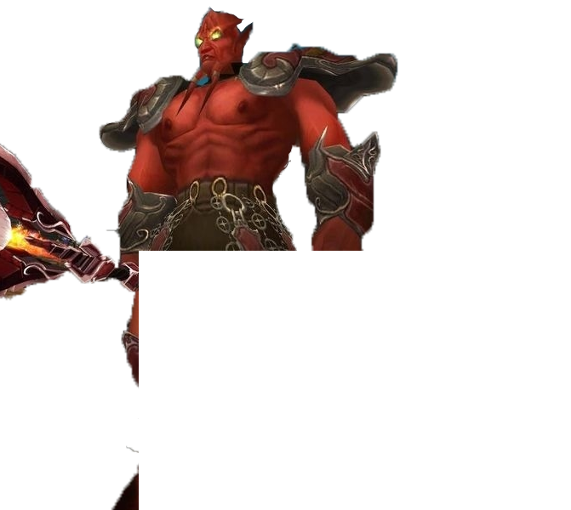
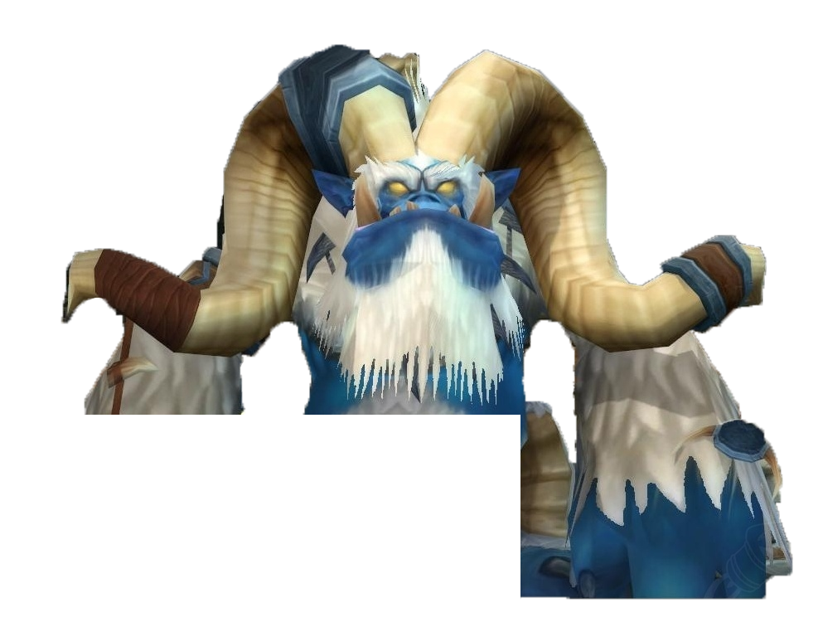
 |  | Current V. 1.1 |  | Html Link to copy spreadsheet - https://tinyurl.com/p3lootprio-copy |  |  |  | On Val'anyr
 |  |  |  |  |  | Fusion Discord Link


INTRODUCTION
Joardee and Pummel here and we're in the guild <Fusion> on Benediction. This series of sheets lays out what our guild is thinking as far as loot for Phase 3 of Wrath of the Lich King. If you find any of this helpful or choose to use this sheet for your own guild consider supporting us and Fusion in some way. I stream at https://www.twitch.tv/joardee and Pummel's is https://www.twitch.tv/itspummel. Thanks so much!

 |  |  |  |  | ON 272 CLOAKS
HOW TO USE THIS SHEET |  |  |  |  | As these cloaks and a couple trinkets are the chase items of the phase, we reccomend giving these to players you want to reward for their contribution to your raid. Anyone who's proven they will stick around, had that hero play during the raid, or goes above and beyond outside of raid are the people you should be thinking about. We'd also avoid giving either cloak to your healers - they will do just fine with the 258 alternatives. You could also consider who these cloaks are game BIS for X, Y, Z.
Trial of the Grand Crusader is a catch up raid that gives players an opportunity who have come in half way through the expansion an easy way to gear up their characters and alts in preparation for ICC. Additionally, this phase should be significantly shorter than phases in the past -- we're expecting around 12 weeks (just a guess!). As such, its super important to place gear where it will be most effective throughout the phase because it's very unlikely that anyone will walk out of this phase in full BIS. We're gearing raiders with an eye solely on ICC prog and nothing else. As in the past, this sheet is intended for raiders who are more than casual gamers but not quite speedrunners - the top guilds will have certain goals in mind and the suggestions in here should not apply to them.

CAVEATS, WARNINGS, ETC
 |  |  |  |  | Conqueror |  |  |  |  |  | Class Colors
 | What this sheet IS: |  | - Designed for early phase gear distribution to help you maximize your loot drops |  | Prot Paladin | TRUE | TRUE | FALSE | TRUE | TRUE | Holy Paladin | F48CBA
 |  |  | - Designed for ways to better understand all the loot that is in Trial of the Grand Crusader |  | Ret Paladin | TRUE | TRUE | TRUE | TRUE | FALSE | Prot Paladin | C27BA0
 |  |  | - Designed to give everyone something big to look forward to because all classes bring something to the table. |  | Holy Paladin | TRUE | TRUE | FALSE | FALSE | FALSE | Ret Paladin | D5A6BD
 |  |  |  |  | Disc Priest | FALSE | FALSE | FALSE | FALSE | FALSE | Balance Druid | F6B26B | `
 |  |  | - Designed to provide sim links for your own personal research. |  | Shadow Priest | TRUE | TRUE | TRUE | FALSE | TRUE | Feral Druid | E69138
 | What this sheet IS NOT: |  | - PERFECT. I REPEAT, THIS SHEET IS NOT PERFECT. |  | Affli Warlock | TRUE | TRUE | FALSE | TRUE | TRUE | Resto Druid | FF7C0A
 |  |  | - Designed to show who gets the most dps from any one item |  | Demo Warlock | TRUE | TRUE | TRUE | TRUE | FALSE | Warlock | 8788EE
 |  |  | - Designed to force your hand in making loot decisions. Player > Class trumps EVERYTHING. |  |  |  |  |  |  |  | Mage | 3FC7EB
 |  |  | - Designed for late phase distribution. |  | Protector |  |  |  |  |  | MM Hunter | 93C47D
 |  |  | - PERFECT. I REPEAT, THIS SHEET IS NOT PERFECT. |  | Hunter | TRUE | TRUE | TRUE | TRUE | FALSE | SV Hunter | 6AA84F
 |  |  |  |  | Fury Warrior | TRUE | TRUE | TRUE | FALSE | TRUE | Rogue | FFF468
PHILOSOPHY ON TIER |  |  |  |  | Prot Warrior | TRUE | TRUE | FALSE | TRUE | TRUE | Ele Sham | 3D85C6
Tier sets in TOGC will be highly contested, especially considering how they require few wipes in order to maximize their income. If Phase 3 is 12 weeks long (guessing) then at most you'll see 48 total tokens per raid (4 per week) with an average of 80-90 required items for "full BIS" from a normal raid composition. As such we reccomend you give tier to those that will use it the longest (UH DK, etc) first, then work on everyone else. Very little consideration should be given to 4pc bonuses - everyone will get their 245 set bonuses fairly quickly. Finally, consider possibly getting tanks their tier toward the end of the phase - they may need it for ICC - can wait until ICC PTR to see how bad it is. |  |  |  |  | Ele Shaman | TRUE | TRUE | TRUE | TRUE | FALSE | Enh Sham | 3C78D8
 |  |  |  |  | Enh Shaman | TRUE | TRUE | FALSE | TRUE | TRUE | Resto Sham | 0070DD
 |  |  |  |  | Resto Shaman | FALSE | FALSE | FALSE | FALSE | FALSE | Holy/Disc Priest | FFFFFF
 |  |  |  |  |  |  |  |  |  |  | Shadow Priest | 999999
 |  |  |  |  | Vanquisher |  |  |  |  |  | Arms | A4815B
 |  |  |  |  | Deathknight (U) | TRUE | TRUE | TRUE | TRUE | FALSE | Fury | D8B45E
SPECIAL THANKS: |  |  |  |  | Deathknight (Fr) | TRUE | TRUE | TRUE | FALSE | TRUE | Prot | C69B6D
Hands, Zath, Philthy, Crix, Brode, Deance, Roozy, Foolipe, Apepz, BigRudy |  |  |  |  | DK (Blood) | TRUE | TRUE | FALSE | TRUE | FALSE | Unholy | C4465A
 |  |  |  |  | Rogue (A) | TRUE | TRUE | TRUE | TRUE | FALSE | Frost | C4324A
CHANGELOG |  |  |  |  | Rogue (C) | TRUE | TRUE | TRUE | TRUE | FALSE | Blood | C41E3A
 |  |  |  |  | Balance Druid | TRUE | TRUE | TRUE | TRUE | FALSE
Author | Date | Description |  |  | Feral Druid (Cat) | TRUE | TRUE | TRUE | TRUE | FALSE
Pummel | 6/7/2023 | Updated Solace of the Defeated prio to Rsham > Rdruid = Disc > Hpal |  |  | Resto Druid | TRUE | TRUE | FALSE | TRUE | TRUE
 |  | Updated Misery's End Spriest prio + List, Added Feral Druid to Ring of Callous Aggression |  |  | Mage | TRUE | TRUE | FALSE | TRUE | TRUE
 |  | Updated Combat Rogue BiS List from Double Hellscream Slicer to Hellscream Slicer/Blood Fury
 |  | Updated Spriest absolute BiS with T9 helm + Pharos |  |  | Example of a balanced raid comp that this list is based on.
Hands | 6/7/2023 | Updated the Physical Loot tab with a note about Dark Determination and Assassination Rogues
Joardee | 6/7/2023 | Updated Resto Druid BIS chest to Flowing Vestments/Robes of the Ascent from T9
Hands | 6/7/2023 | Updated Frostborn Hero to reflect that Frost DK will get more value out of it than UH
 |  | Updated Greaves of the 7th Legion prio note to reflect they should go to anyone that will need expertise currently or soon
 |  | Fixed elemental shaman sim link (pummel had them using the resto gloves for thier 4p blame him)
 |  | Fixed some horde/alliance item names
 |  | Hopefully clarified MH/OH weapon priors. Scattered thoughts with a lot of nuance from race and other options avialable
Joardee | 6/12/2023 | Changed hunter BIS ring to Brann's Signet Ring over Planestalker band/ring
 |  | Corrected disc priest BIS Lists - some items had horde names on alliance and vice versa
 |  | Corrected holy paladin BIS belt to Belt/Girdle of the Frozen Reach
Joardee | 6/13/2023 | Corrected spelling on Greaves of Ruthless Judgment, Flowing Robes of Ascent, Boots of the Icy Floe, Lurid Manifestation, Hauberk of the Towering Monstrosity (rip pum)
Joardee | 6/17/2023 | Made a correction to UH BiS for alliance and Horde.

